NOAA Figures
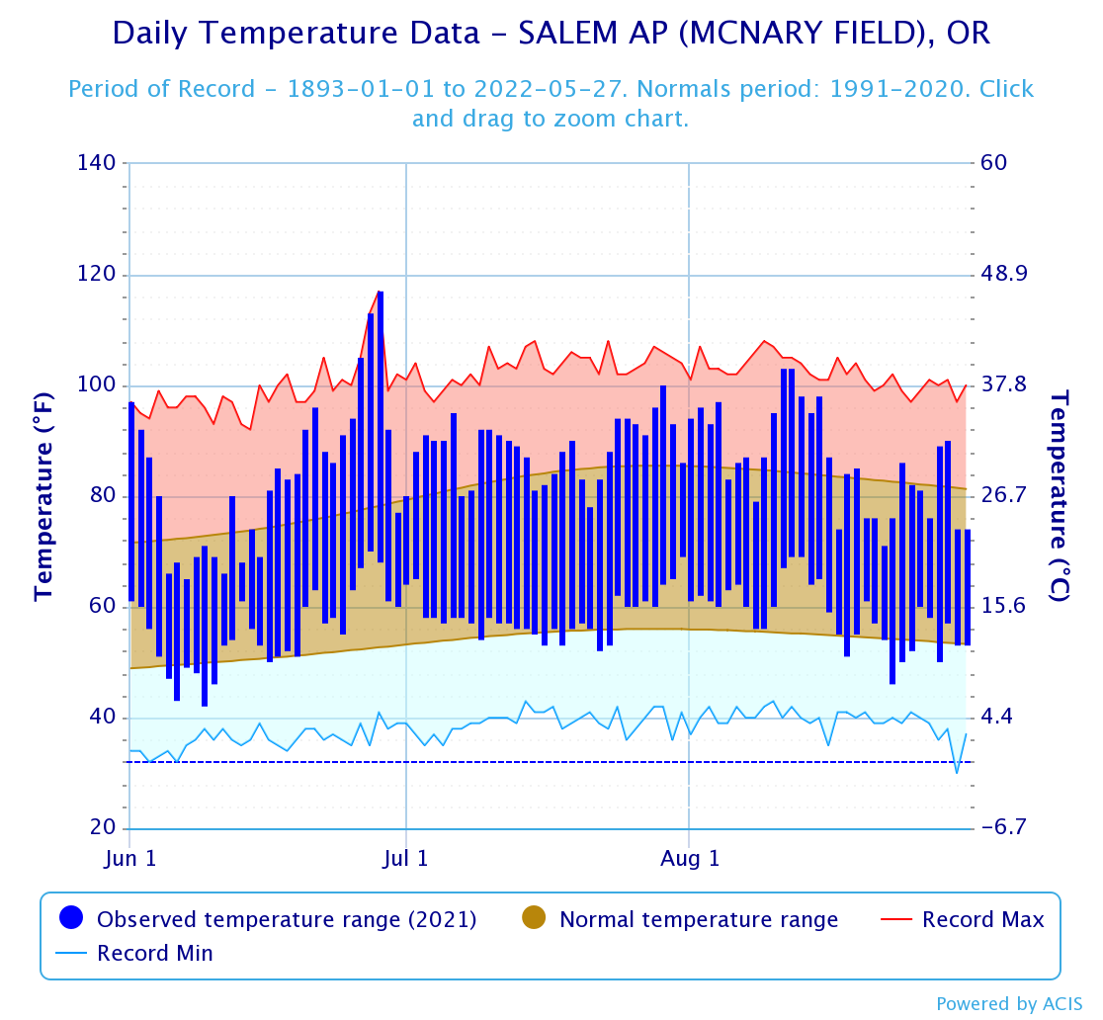
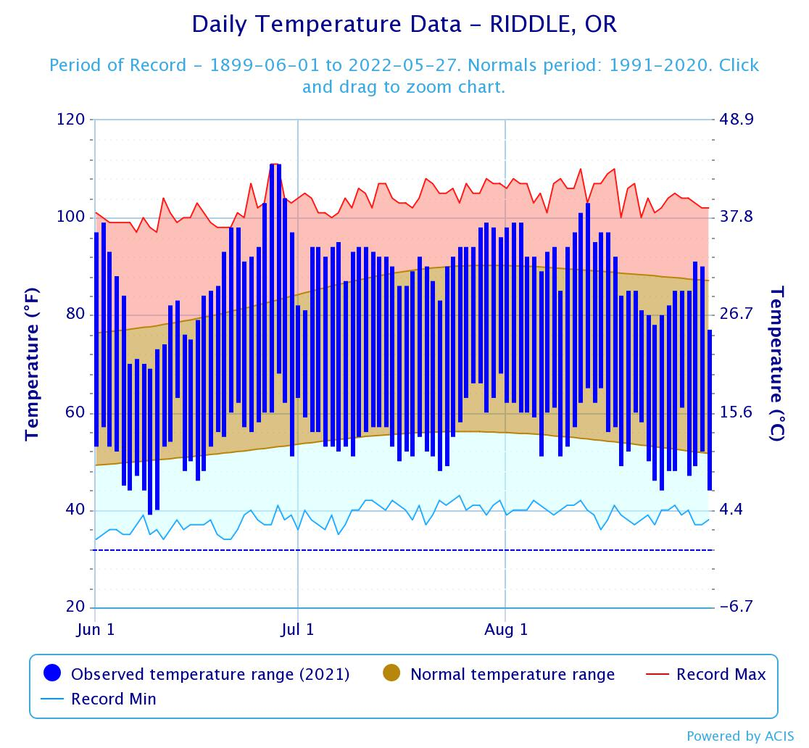
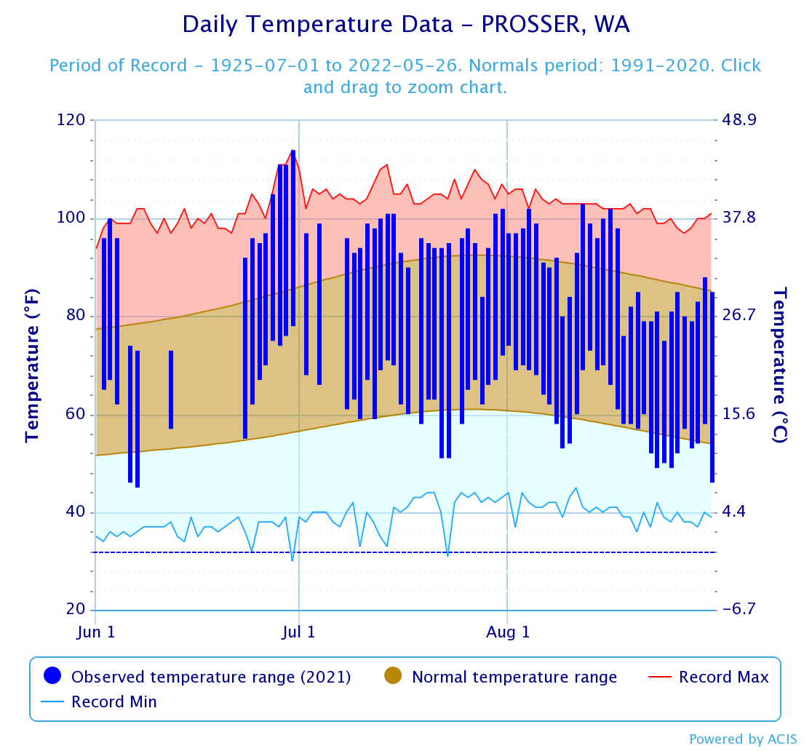
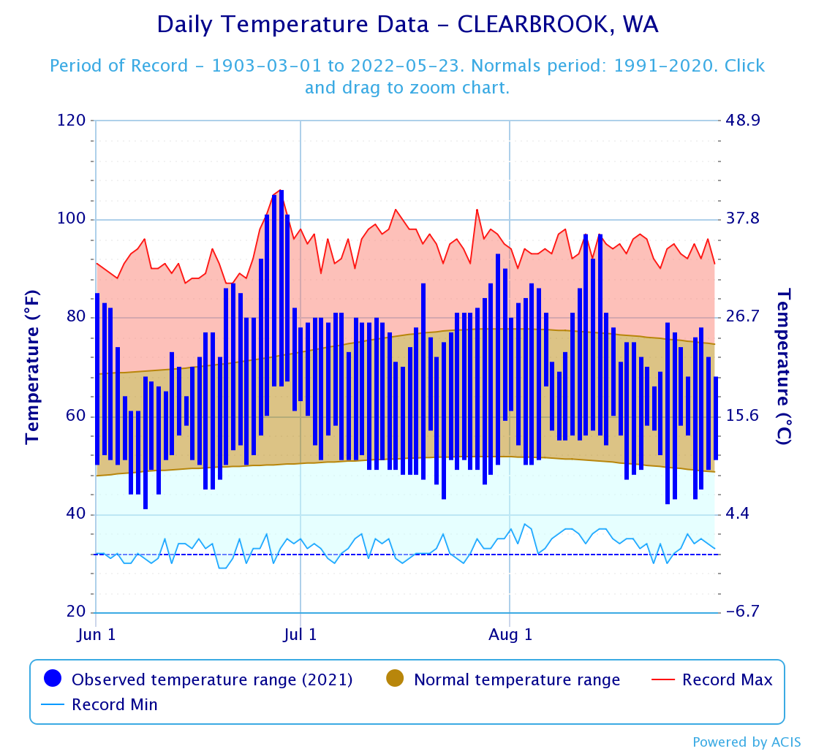
Summer season temperatures showing the peak high temperature, the higher than expected temperatures experienced throughout the season and the expteded high temperatures throughout the season for each location. Data and figures sourced and generated from NOAA data and temperature graph tools. Salem is the nearest to the Corvallis location, Riddle is nearest to the Myrtle Creek location, Prosser is nearest to the Prosser Location and Clearbrook is nearest to the Lynden location.
https://www.weather.gov/wrh/climate

